2.Geographic Equity Data
Geographic Equity Scoring+Data Sources
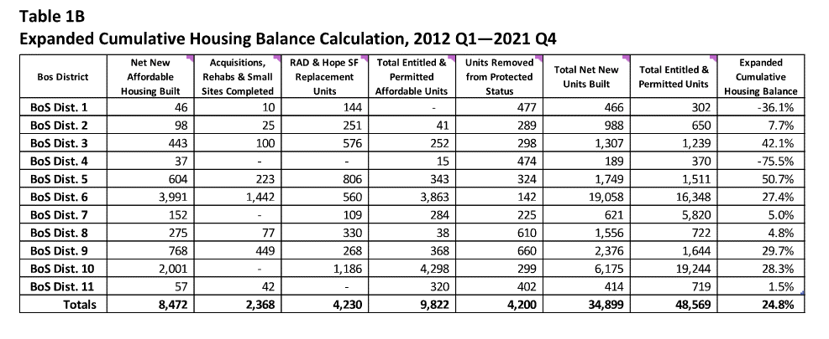

Expanded Cum. Housing Balance Calculation per
SF Housing Balance Report
District | Score
1 | 9
2 | 5
3 | 1
4 | 10
5 | 0
6 | 4
7 | 6
8 | 7
9 | 2
10 | 3
11 | 8

Units Removed from Protected Status per
SF Housing Balance Report
District | Score
1 | 8
2 | 2
3 | 3
4 | 7
5 | 5
6 | 0
7 | 1
8 | 9
9 | 10
10 | 4
11 | 6

Top 5 Districts Underserved by HPP per
MOHCD HPP Pipeline Report
Districts | Score
2 | +5
4 | +5
5 | +5
7 | +5
10 | +5

